Sheet1
Saturday, March 28 | SERVER
16:00:00 | Kanya Brisson

Sunday, March 29 | SERVER
9:00:00 | Marykate Rusnock
 | Maggie Rusnock

10:30:00 | Alex Komlenic
 | Elizabeth Etienne

17:00:00 | Owen Walsh
 | Aiden Walsh

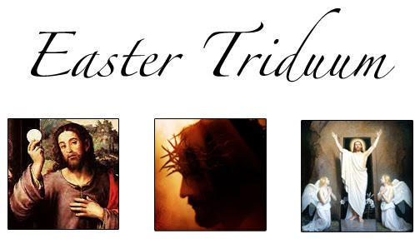

Holy Thursday April 2 | SERVER
Mass of the Lord's Supper | Marykate Rusnock
19:30:00 | Maggie Rusnock
 | Alex Komlenic

Good Friday, April 3 | SERVER
Solemn Liturgy | John Roper
15:00:00 | Matthew Roper

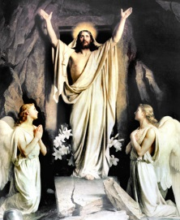
Saturday, April 4 | SERVER
Great Vigil of Easter | Alex Komlenic
20:00:00 | Marykate Rusnock
 | Maggie Rusnock
Easter Sunday, April 5 | SERVER
9:00:00 | John Roper
 | Matthew Roper

10:30:00 | Miranda Czqakiel
 | Elizabeth Etienne

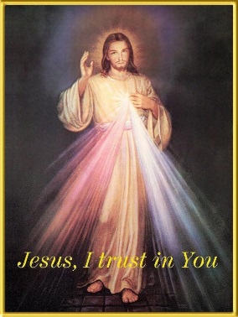
Saturday, April 11 | SERVER
16:00:00 | Kanya Brisson

Sunday, April 12 | SERVER
9:00:00 | Matthew Roper, John Roper

10:30:00 | Alex Komlenic
 | Elizabeth Etienne

17:00:00 | Owen Walsh, Aiden Walsh
Saturday, April 18 | SERVER
16:00:00

Sunday, April 19 | SERVER
9:00:00 | Marykate Rusnock
 | Maggie Rusnock

10:30:00 | Alex Komlenic
 | Elizabeth Etienne

17:00:00 | Owen Walsh, Aiden Walsh

Saturday, April 25 | SERVER
16:00:00 | Kanya Brisson
Sunday, April 26 | SERVER
9:00:00 | Miranda Czwakiel
 | John Roper

10:30:00 | Alex Komlenic
 | Elizabeth Etienne

17:00:00 | Owen Walsh, Aiden Walsh
ALTAR SERVER TELEPHONE NUMBERS
Maggie & Marykate Rusnock |  | 617-698-4201 | jtrmtr@comcast.net
Miranda Czwakiel |  | 617-696-1258 | migc123@yahoo.com
Kanya Brisson |  | 508-583-4450 | kanyabroqsz@aol.com
Owen & Aiden Walsh |  | 617-696-8523 | maryjane-walsh@comcast.net
Elizabeth Regine Etienne |  | 617-298-1629 | babybutterfly2000@gmail.com
Alex Komlenic |  | 617-506-0288 | kakomlenic6@gmail.com
John & Matthew Roper |  | 617-769-0830 | theropers1@netzero.com
If you are unable to serve the Mass assigned to you, please call another server to
cover the Mass. This is part of your responsibility as an Altar Server.
Also, if you attend Mass and are not assigned to the Mass, but see that there is no server,
please offer to serve. Father will be most grateful!
PLEASE REMEMBER TO USE THE TIME BEFORE MASS FOR QUIET REFLECTION. THANKS!

